1. Title Page
[Grocery Basket Analysis]

Project Name: Grocery Basket Analysis
Date: 27.05.2024
Analyst Name: Shaheir Jibin

Contents:
Population Flow
Consistency checks
Wrangling steps
Column derivations
Visualizations
Recommendations

2. Population Flow
Title page

Population flow

Exclusion flag
Condition: max_order < 5
Obervations to be removed: 1,440,295
Final total count of order_products_all: 30,964,564

Orders_products_combined
Orders_products_merged
Orders_products_all

Total: 32,404,859
Total: 32,434,489
Total: 32,404,859

1.) The grey boxes in the first row of the population flow represent the original data sets as they were when you downloaded them. In the Total fields you need to add the count of the rows when you imported the data set into Jupyter.
2.) The second row of boxes (coloured) represents the data sets after you manipulated them, e.g., removed missing values and duplicates. In the Total fields you need to add the count of the rows after conducting these operations. This offers a visual oveview of how the data flows throughout the data consistency checks.
3.) The third row, where also the arrows are coloured, represents the merges you performed between the datasets. In the Total fields you need to add the count of the rows in the merged datasets, so that you end up with the final dataset (in the red box). Keep in mind the final dataset should be without exclusions (based on the exclusion flag).

3. Consistency checks
 |  |  |  | Title page
Consistency checks

Dataset | Missing values | Missing values treatment | Duplicates
orders | 206,209 in 'days_since_prior_order' | Changed to '0' | None
products | 16 in 'product_name' | Left as is | 5 rows removed
orders_products_prior | n/a | n/a | n/a
customers | n/a | n/a | n/a

4. Wrangling steps
 |  |  |  | Title page
Wrangling steps

Columns dropped | Columns renamed | Columns' type changed | Comment/Reason
eval_set |  |  | Unnecessary to the analysis
 | order_dow |  | Renamed to 'order_day_of_week'
 |  | order_id (int -> str) | Unnecessary to the analysis
 |  | user_id (int -> str) | Unnecessary to the analysis
 | First Name -> first_name |  | For consistency
 | Surnam -> last_name |  | For consistency
 | Gender -> gender |  | For consistency
 | STATE -> state |  | For consistency
 | Age -> age |  | For consistency
 | n_dependants -> dependants |  | For consistency
 | family_status -> marital_status |  | For consistency

5. Column derivations
 |  |  |  | Title page

Column derivations and aggregations

In this tab you should add tables below that the frequences of flags/label variables that you produced after deriving them. NB: don't do this for continuous variables, only for flags.
Dataset | New column | Column/s it was derived from | Conditions
orders_products_merge | price_range_loc | prices | High-range product (417,678): "prices" > 15 Mid-range product (21,860,860): 5 < "prices" <= 15 Low-range product (10,126,321): "prices" <=5
orders_products_merge | busiest_days | orders_day_of_week | Busiest day (6,204,182): if value [0,1] Regularly busy (22,416,875): else value [2,5,6] Least busy (3,783,802): elif value [3,4]
orders_products_merge | busiest_period_of_day | order_hour_of_day | Most orders (21,118,071): if value [10, 11, 14, 15, 13, 12, 16, 9] Average orders (9,997,651): elif value [17, 8, 18, 19, 20, 7, 21, 22] Fewest orders (1,289,137): else value [23, 6, 0, 1, 5, 2, 4, 3]
orders_products_merge | loyalty_flag | order_number | Loyal customer (10,284,093): "max_order" > 40 Regular customer (15,876,776): 10 < "max_order" <= 40 New customer (6,243,990): "max_order" <= 10
orders_products_merge | spending_flag | mean_product_price | Low spender (31,770,614): "mean_product_price" < 10 High spender (634,245): "mean_product_price" >= 10
orders_products_merge | order_frequency_flag | median_days_since_prior_order | Frequent customer (22,796,659): "median_days_between_orders" <= 10 Regular customer (9,608,200): 10 < "median_days_between_orders" <= 20
orders_products_customers | region | state | northeast (5,722,736) = ['Maine', 'New Hampshire', 'Vermont', 'Massachusetts', 'Rhode Island', 'Connecticut', 'New York', 'Pennsylvania', 'New Jersey'] midwest (7,597,325) = ['Wisconsin', 'Michigan', 'Illinois', 'Indiana', 'Ohio', 'North Dakota', 'South Dakota', 'Nebraska', 'Kansas', 'Minnesota', 'Iowa', 'Missouri'] south (10,791,885) = ['Delaware', 'Maryland', 'District of Columbia', 'Virginia', 'West Virginia', 'North Carolina', 'South Carolina', 'Georgia', 'Florida', 'Kentucky', 'Tennessee', 'Mississippi', 'Alabama', 'Oklahoma', 'Texas', 'Arkansas', 'Louisiana'] west (8,292,913) = ['Idaho', 'Montana', 'Wyoming', 'Nevada', 'Utah', 'Colorado', 'Arizona', 'New Mexico', 'Alaska', 'Washington', 'Oregon', 'California', 'Hawaii']
orders_products_customers | exclusion_flag | max_order | Keep (30,964,564): "max_order" > 5 Exclude (1,440,295): "max_order" >= 5
orders_products_customers | age_group | age | Young Adult (3,864,518): "age" <= 25 Adult (9,214,451): 25 < "age" < 45 Older Adult (9,690,051): 45 <= "age" < 65 Senior (8,195,544): "age" >= 65
orders_products_customers | income_group | income | Low (3,362,554): "income" <= 50,000 Middle (13,394,982): 50,000 < "income" <= 100,000 High (14,207,028): "income" > 100,000
orders_products_customers | dependants_flag | dependants | No (7739681): "dependants" = 0 Yes (23224883): "dependants" > 0
orders_products_customers | department_general | department | Food = ['department_id'].isin([1, 3, 4, 6, 9, 10, 11, 12, 13, 14, 15, 18, 19, 20, 21]), 'department'] Beverage = ['department_id'].isin([2, 5, 7, 16]), 'department'] Other = ['department_id'].isin([8, 17]), 'department']

6. Visualizations
Title page

Visualisations

In this tab you should include all the visualtions from Exercises 4.9 and 4.10, alongside the questions from the project brief that they answer. Include any commentary on the relationship between different variables.

Question 1: Who are Instacart customers?

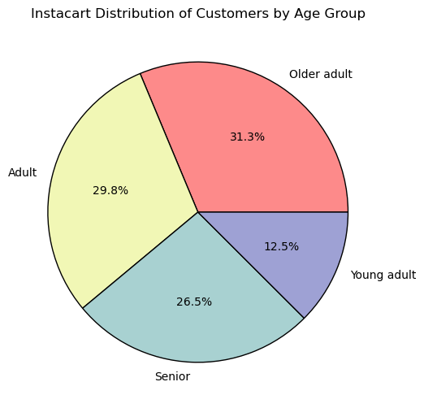
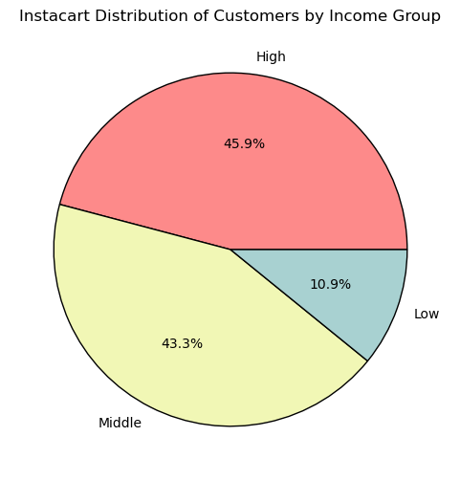

Description: The pie charts above show the demographics of Instacart customers, grouped by age and income level. Senior, adult and older adults make up about the same percentage with around 26% to 31% while the smallest group is young adult with only 12.5%. For income level, the high earners make up the majority, having 45.9%, while middle and low income level are 43.3% and 10.9% respectively.

Question 2: What are the detail demographics of the customers?

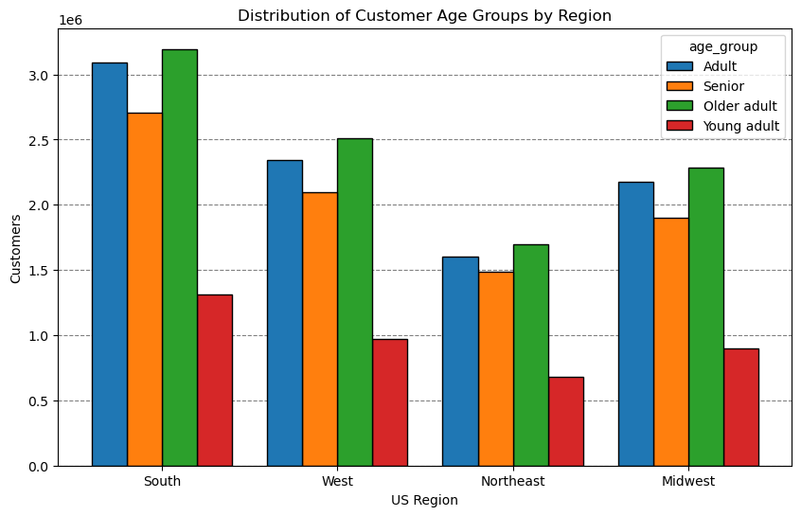
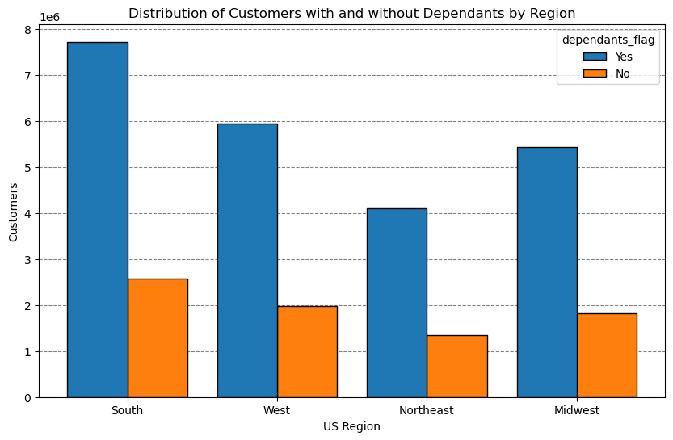

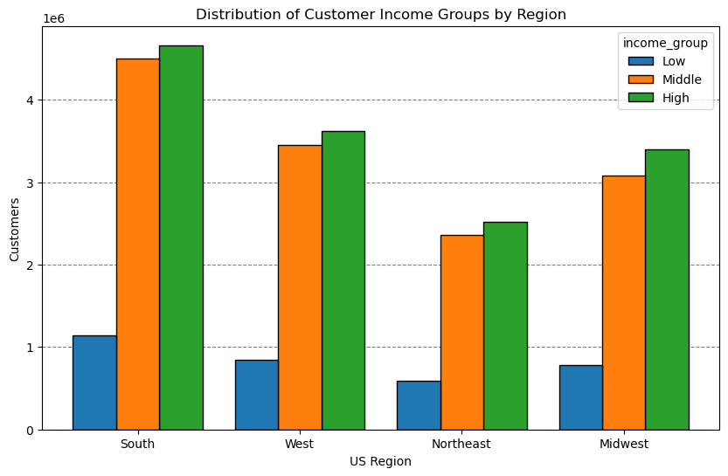

Description: The bar charts above show the demographics of Instacart customers, grouped into 4 different US regions (South, West, Northeast, Midwest). In general, the South has the highest number of customers across the board. The number of older adults (Adult, Older adult and Senior) are more prevalent in every region. For income groups, the majority customers fall within high and middle income group, while customers having dependants are twice as much as customers without dependants.

Question 3: When is the busiest time for purchasing activity?

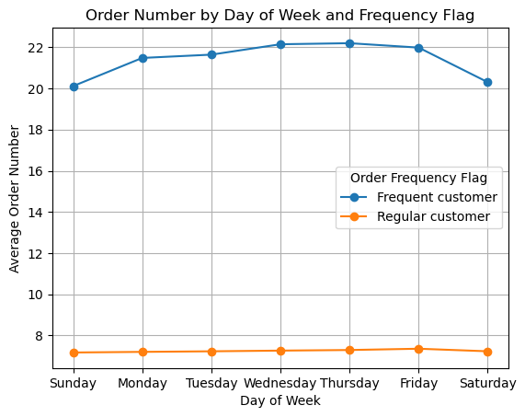
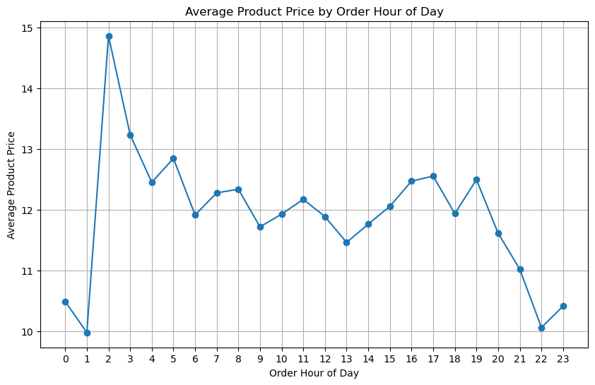

Description: The line charts above show the purchasing activity by day of the week and hour of the day. For the first chart, the two lines are grouped based on two different kinds of customer groups, split in frequent and regular customer respectively. There is quite a significant gap between these two groups, having about 16 difference in the average order numbers. Thursday and Friday and the top two days for ordering. Looking deeper, the highest activity recorded for the most expensive product happens at 2am. As the day goes further, the cheaper the product choice is.

Question 4: What is the most popular product type in different regions?

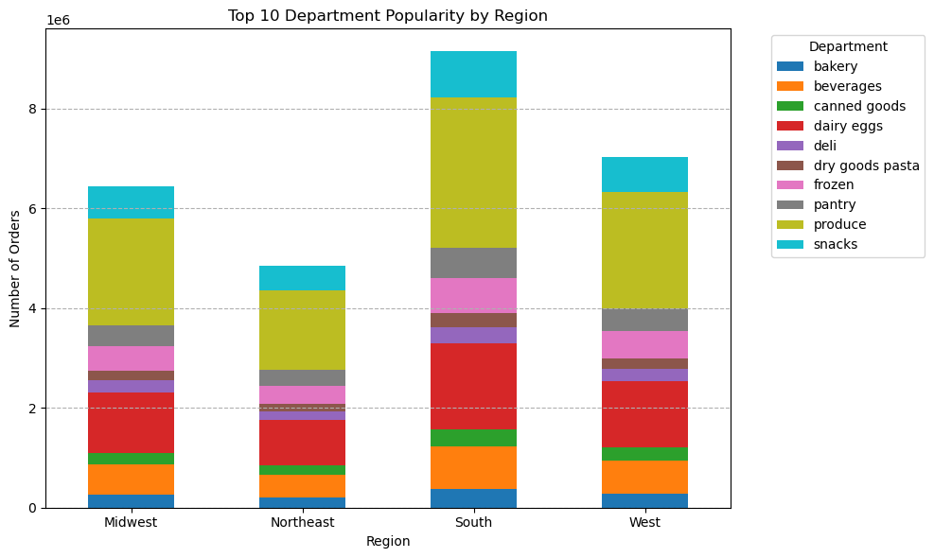

Description: The bar chart above shows the number of orders by regions, split by different product departments. At a glance, produce is the most purchased product type in all regions. This is most likely due to the nature of produce needing to be fresh upon purchase, thus making it frequently recorded in the data. The second most popular is dairy products like eggs, milk, yoghurt, cheese, etc. The third and fourth are beverages and snacks. Northeast region recorded the lowest activity, probably due to low population density.

Question 5: What is the most popular product type for male and female?

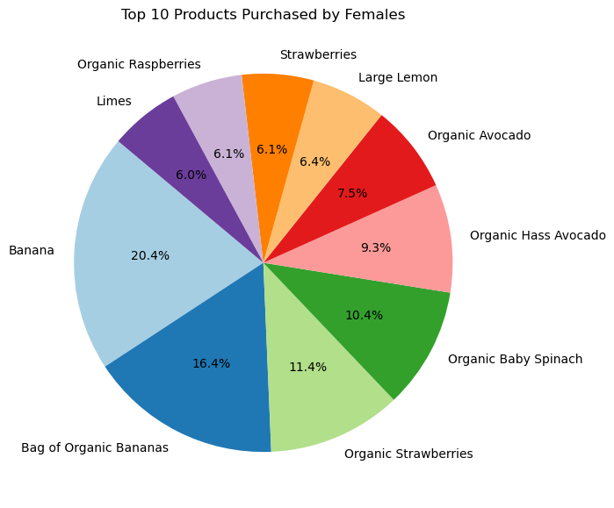
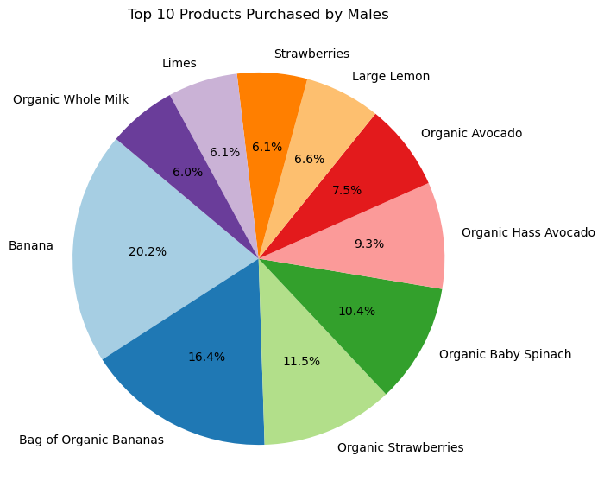

Description: Surprisingly, there is very little difference of the top 10 products purchased between male and female in the pie charts above. This data is an in-depth observation from the result of the previous question, with produce and dairy being the top 2 product departments.

Question 6: What is the total expenditure by region and state?

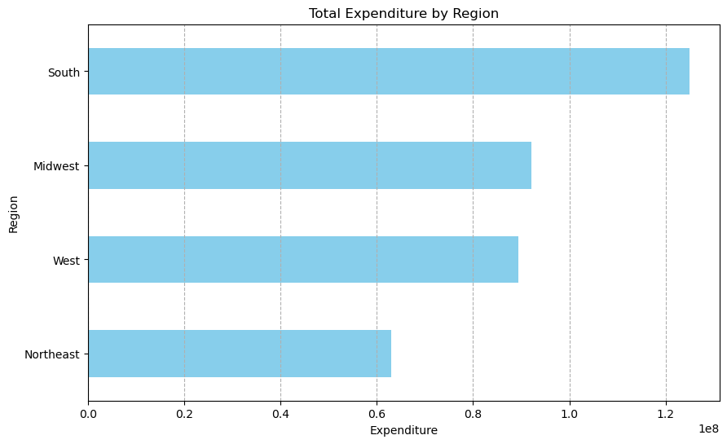

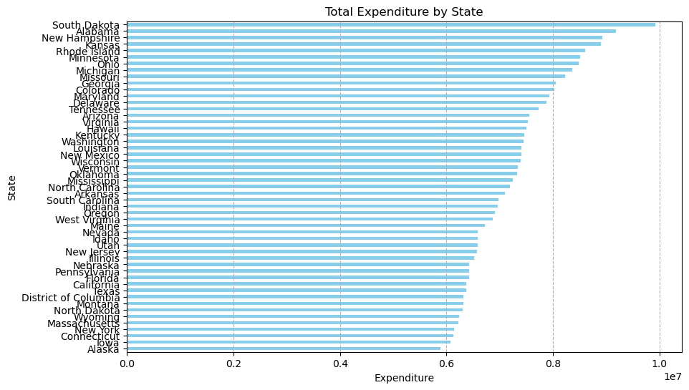

Description: The south region maintains having the highest expenditure between all regions and northeast having the lowest. However, looking deeper into the states, South Dakota records the highest expenditure even though the state falls within Midwest. The second highest state is Alabama where it contributes the highest to the South.

7. Recommendations
Title page

Recommendations

In this tab you should include any recommendations you would made to Instcart in terms of their marketing strategy based on the questions posed in the brief. Every key question has been covered in the Tasks of the Exercises - here you need to add an item - a visualisation or table/crosstable that is showing the answer in the data, acompanied by a comment from you. Please, list the questions below and add the answer underneath.

Question 1: Who are Instacart customers?

Recommendation: Cater cheaper products and low income group and young adults. For example, introduce cheap snacks to attract more younger audience.

Question 2: What are the detail demographics of the customers?

Recommendation: Ramp up marketing for the northeast region. For example, do more promotions to cover up the low activity for this region. The same approach could also be applied to the Midwest.

Question 3: When is the busiest time for purchasing activity?

Recommendation: Schedule promotional deals on slow days on the weekend. Collaborate with social media influencers on the evenings and late nights to build up momentum until the peak (2am). Introduce a loyalty programme to convert regular customers into frequent customers.

Question 4: What is the most popular product type in different regions?

Recommendation: Ramp up the stocks in produce, dairy and snacks to meet the demand in all regions. Reduce stocks in departments where the return is low and vice versa.

Question 5: What is the most popular product type for male and female?

Recommendation: More data is needed to see a significant difference. At this point, cater to both genders the same way.

Question 6: What is the total expenditure by region and state?

Recommendation: In general, focus marketing and advertisements for the Northeast region. New York and California being in the bottom ten is quite surprising, considering the high population density for the two states.

